Sheet1
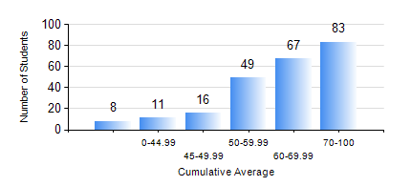
 |  |  | KWAME NKRUMAH UNIVERSITY OF SCIENCE AND TECHNOLOGY, KUMASI Department of Electrical/Electronic Engineering

 |  |  | BSC. ELECTRICAL/ELECTRONIC ENG.

 |  |  | COMPREHENSIVE RECORD OF EXAMINATION RESULTS

 |  |  | RESULTS OF YEAR 1 SECOND SEMESTER, 2022/2023 ACADEMIC YEAR

 | Sn | Course Code |  | Course Name | Credit Hours | Min. Mark | Max. Mark | Avg. Mark | Std. Dev. | No. Passed | No. Trailed | No. (Df) | No. (I) | No. (I*) | No. Tagged(I,I*,Df) | Total
 | 0. |  |  |  |  |  |  | 0 | 0 | 0 | 0 | 0 | 0 | 0 | 0 | 9
 | 1. | COE 158 |  | INTRODUCTION TO INFORMATION TECHNOLOGY | 2 | 21 | 78 | 55 | 11.59 | 208 | 16 | 0 | 1 | 0 | 1 | 225
 | 2. | EE 152 |  | BASIC ELECTRONICS | 3 | 19 | 91 | 64 | 14.6 | 215 | 10 | 0 | 0 | 0 | 0 | 225
 | 3. | EE 156 |  | ELECTRICAL ENG. DRAWING | 2 | 12 | 90 | 69 | 12.96 | 220 | 5 | 0 | 0 | 0 | 0 | 225
 | 4. | EE 162 |  | ELECTROMECHANICAL ENERGY CONVERSION AND TRANSFORMERS | 3 | 9 | 94 | 64 | 19.83 | 202 | 23 | 0 | 0 | 0 | 0 | 225
 | 5. | ENGL 158 |  | COMMUNICATION SKILLS II | 2 | 13 | 83 | 64 | 10.35 | 219 | 6 | 0 | 0 | 0 | 0 | 225
 | 6. | MATH 152 |  | CALCULUS WITH ANALYSIS | 4 | 15 | 86 | 57 | 10.9 | 218 | 7 | 0 | 0 | 0 | 0 | 225
 | 7. | ME 166 |  | APPLIED THERMODYNAMICS I | 2 | 24 | 91 | 62 | 15.07 | 219 | 6 | 0 | 0 | 0 | 0 | 225

